Test results
 |  |  |  |  |  |  |  |  | Test results

LSTM |  |  |  |  |  |  |  |  |  | TCN
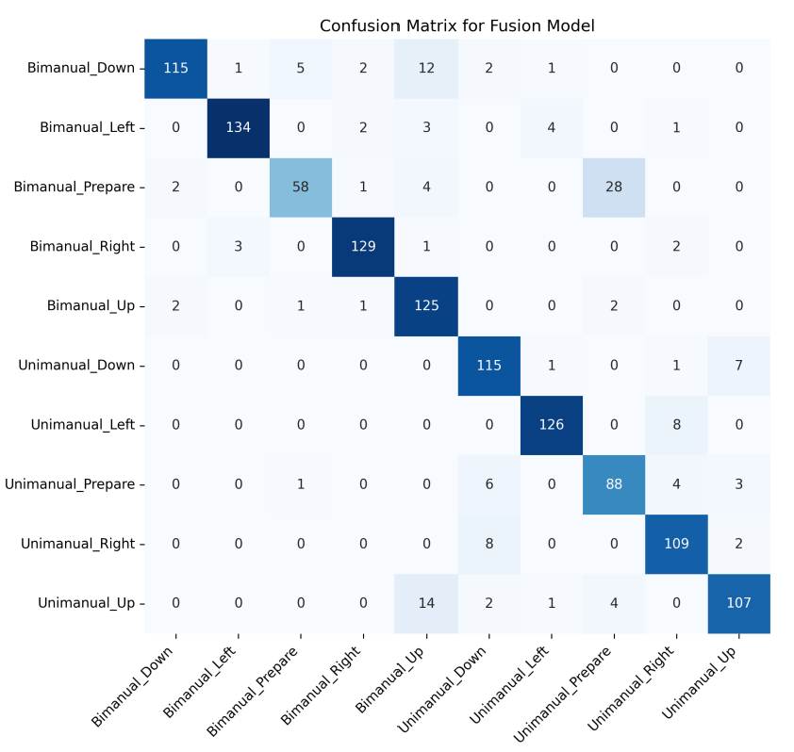
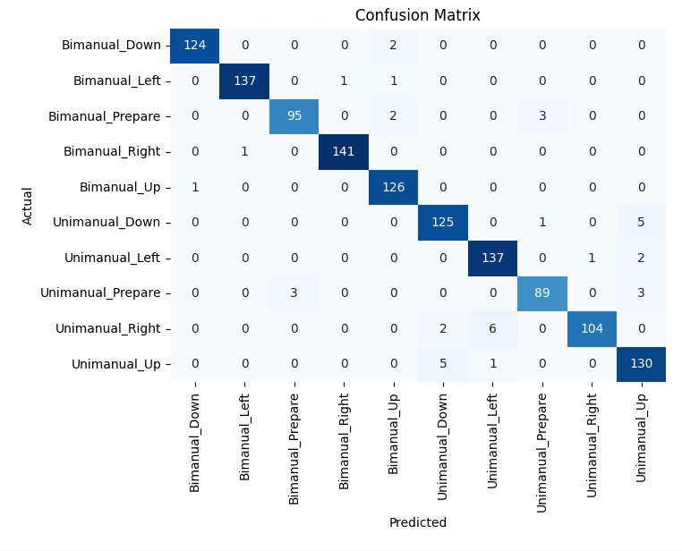
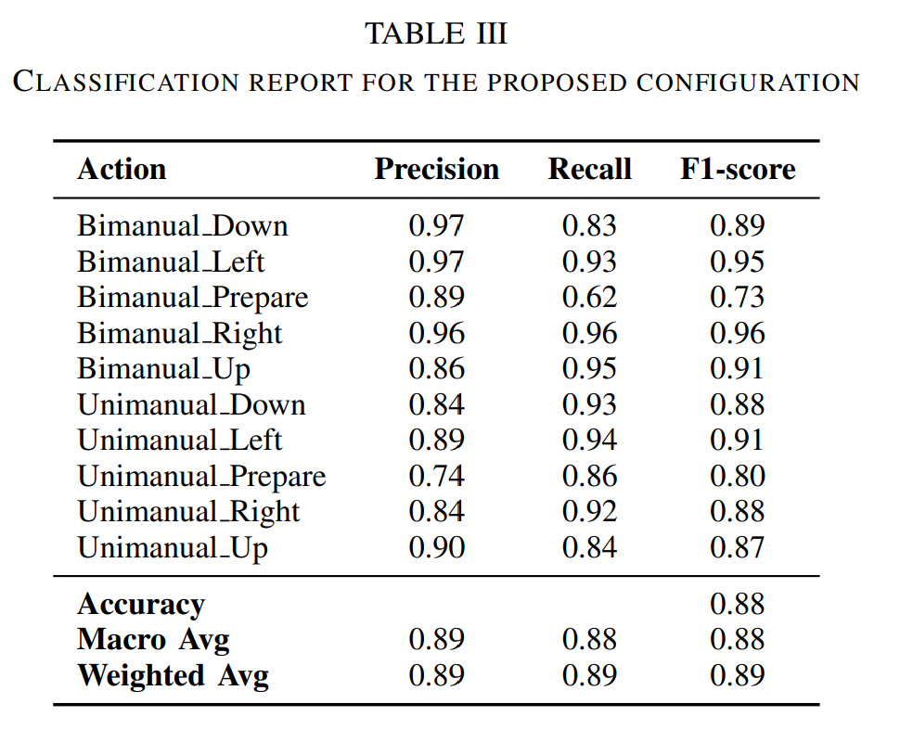

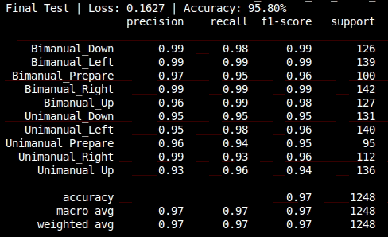

CNN GRU |  |  |  |  |  |  |  |  |  | GRU
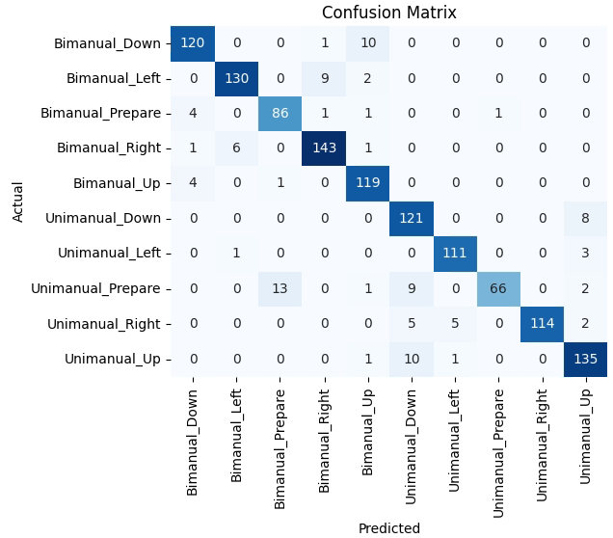
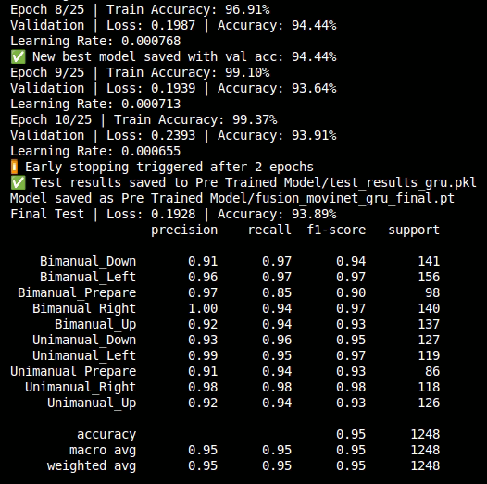
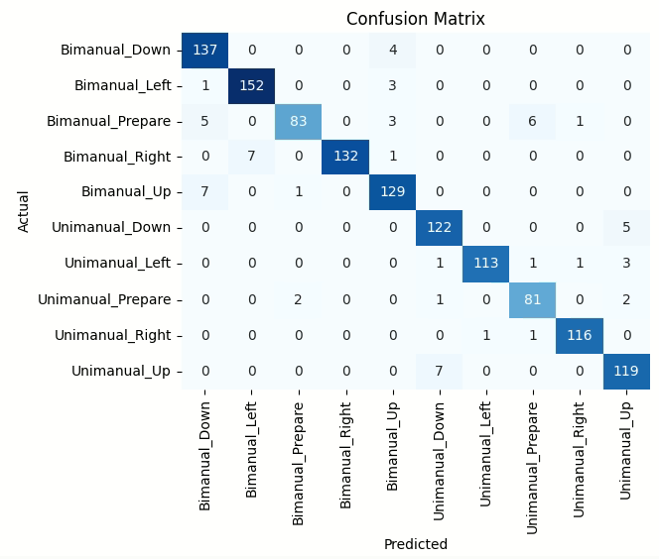
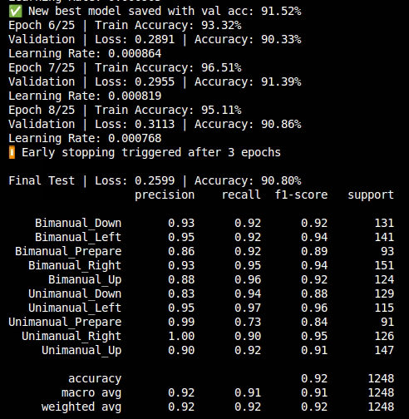

LSTM Validation
TCN Validation
 |  | Accuracy (%)
 |  | LSTM |  | TCN |  | CNN GRU |  | GRU
 |  | Offline | Online | Offline | Online | Offline | Online | Offline | Online
 | Bimanual _Down | 97 | 88 | 99 | 95 | 93 | 93 | 91 | 100
 | Bimanual_Left | 97 | 94 | 99 | 97 | 95 | 89 | 96 | 98
 | Bimanual_Prepare | 89 | 18 | 97 | 96 | 86 | 75 | 97 | 90
 | Bimanual_Right | 96 | 91 | 99 | 92 | 93 | 98 | 100 | 92
 | Bimanual_Up | 86 | 93 | 96 | 95 | 88 | 89 | 92 | 82
 | Unimanual_Down | 84 | 93 | 95 | 100 | 83 | 100 | 93 | 94
 | Unimanual_Left | 89 | 100 | 95 | 99 | 95 | 100 | 99 | 99
 | Unimanual_Prepare | 74 | 100 | 96 | 87 | 99 | 87 | 91 | 49
 | Unimanual_Right | 84 | 100 | 99 | 100 | 100 | 94 | 98 | 100
 | Unimanual_Up | 90 | 92 | 93 | 99 | 90 | 98 | 92 | 96
 | Accuracy | 88.6 | 86.9 | 96.8 | 96.1 | 92.2 | 92.4 | 94.9 | 90.1

CNN GRU Validation
GRU Validation
 |  |  | Average prediction time between 2 samples in each sample block (s)
 |  |  |  | Models
 |  |  | Action | LSTM | TCN | CNN-GRU | GRU
 |  |  | Bimanual _Down | 2.076 | 2.07 | 2.076 | 2.077
 |  |  | Bimanual_Left | 2.14 | 2.154 | 2.141 | 2.141
 |  |  | Bimanual_Prepare | 2.315 | 2.313 | 2.318 | 2.332
 |  |  | Bimanual_Right | 2.495 | 2.513 | 2.429 | 2.453
 |  |  | Bimanual_Up | 2.314 | 2.305 | 2.317 | 2.315
 |  |  | Unimanual_Down | 2.37 | 2.346 | 2.374 | 2.382
 |  |  | Unimanual_Left | 2.177 | 2.159 | 2.209 | 2.188
 |  |  | Unimanual_Prepare | 2.316 | 2.296 | 2.337 | 2.32
 |  |  | Unimanual_Right | 2.081 | 2.068 | 2.119 | 2.088
 |  |  | Unimanual_Up | 2.299 | 2.273 | 2.318 | 2.304
 |  |  | Average prediction time (s) | 2.2583 | 2.2497 | 2.2638 | 2.26

 |  |  | Average prediction time of the first samples in each sample block (s)
 |  |  |  | LSTM | TCN | CNN GRU | GRU
 |  |  | Bimanual _Down | 2.081 | 2.051 | 2.09 | 2.067
 |  |  | Bimanual_Left | 2.209 | 2.22 | 2.225 | 2.191
 |  |  | Bimanual_Prepare | 2.723 | 2.847 | 2.76 | 2.787
 |  |  | Bimanual_Right | 2.398 | 2.425 | 2.347 | 2.348
 |  |  | Bimanual_Up | 2.473 | 2.366 | 2.501 | 2.45
 |  |  | Unimanual_Down | 2.998 | 3.104 | 3.099 | 3.026
 |  |  | Unimanual_Left | 2.591 | 2.719 | 2.624 | 2.58
 |  |  | Unimanual_Prepare | 2.67 | 2.736 | 2.71 | 2.641
 |  |  | Unimanual_Right | 2.429 | 2.501 | 2.422 | 2.4
 |  |  | Unimanual_Up | 2.667 | 2.768 | 2.693 | 2.683
 |  |  | Average prediction time (s) | 2.5239 | 2.5737 | 2.5471 | 2.5173

